Sheet1
 | Sku | UPC | Style | Classification | Title | Quantity on Hand | Retail | Wholesale | Cost
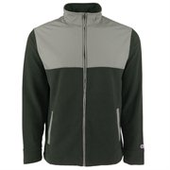 | S680193078057 | 680193078057 | CB1007999-2XL | Men's Fleece | Champion Men's Fleece Workout Athletic Jacket Black 2XL | 69 | $56.00 | $28.00 | $11.95
 | S680193078033 | 680193078033 | CB1007999-L | Men's Fleece | Champion Men's Fleece Workout Athletic Jacket Black L | 57 | $56.00 | $28.00 | $11.95
 | S680193078026 | 680193078026 | CB1007999-M | Men's Fleece | Champion Men's Fleece Workout Athletic Jacket Black M | 569 | $56.00 | $28.00 | $11.95
 | S680193078019 | 680193078019 | CB1007999-S | Men's Fleece | Champion Men's Fleece Workout Athletic Jacket Black S | 537 | $56.00 | $28.00 | $11.95
 | S680193078040 | 680193078040 | CB1007999-XL | Men's Fleece | Champion Men's Fleece Workout Athletic Jacket Black XL | 186 | $56.00 | $28.00 | $11.95
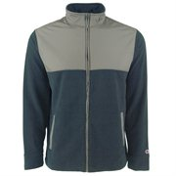 | S680193078002 | 680193078002 | CB1007190-2XL | Men's Fleece | Champion Men's Fleece Workout Athletic Jacket Marine Navy 2XL | 235 | $56.00 | $28.00 | $11.95
 | S680193077982 | 680193077982 | CB1007190-L | Men's Fleece | Champion Men's Fleece Workout Athletic Jacket Marine Navy L | 204 | $56.00 | $28.00 | $11.95
 | S680193077975 | 680193077975 | CB1007190-M | Men's Fleece | Champion Men's Fleece Workout Athletic Jacket Marine Navy M | 246 | $56.00 | $28.00 | $11.95
 | S680193077968 | 680193077968 | CB1007190-S | Men's Fleece | Champion Men's Fleece Workout Athletic Jacket Marine Navy S | 256 | $56.00 | $28.00 | $11.95
 | S680193077999 | 680193077999 | CB1007190-XL | Men's Fleece | Champion Men's Fleece Workout Athletic Jacket Marine Navy XL | 106 | $56.00 | $28.00 | $11.95
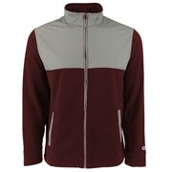 | S680193078118 | 680193078118 | CB1007-S | Men's Fleece | Champion Men's Fleece Workout Athletic Jacket Maroon S | 63 | $56.00 | $28.00 | $11.95
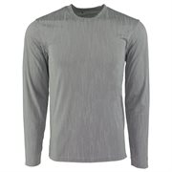 | S680193077951 | 680193077951 | CT1029939-GGP2XL | Men's T-Shirt | Champion Men's L/S Athletic T-Shirt Grey/Glitch Pattern 2XL | 176 | $24.00 | $12.00 | $8.75
 | S680193077937 | 680193077937 | CT1029939-GGPL | Men's T-Shirt | Champion Men's L/S Athletic T-Shirt Grey/Glitch Pattern L | 137 | $24.00 | $12.00 | $8.75
 | S680193077920 | 680193077920 | CT1029939-GGPM | Men's T-Shirt | Champion Men's L/S Athletic T-Shirt Grey/Glitch Pattern M | 356 | $24.00 | $12.00 | $8.75
 | S680193077913 | 680193077913 | CT1029939-GGPS | Men's T-Shirt | Champion Men's L/S Athletic T-Shirt Grey/Glitch Pattern S | 399 | $24.00 | $12.00 | $8.75
 | S680193077944 | 680193077944 | CT1029939-GGPXL | Men's T-Shirt | Champion Men's L/S Athletic T-Shirt Grey/Glitch Pattern XL | 168 | $24.00 | $12.00 | $8.75
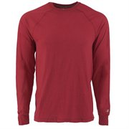 | S680193077807 | 680193077807 | CT9937-Car2XL | Men's T-Shirt | Champion Men's Vapor Cotton L/S T-Shirt Cardinal 2XL | 343 | $24.00 | $12.00 | $8.95
 | S680193077784 | 680193077784 | CT9937-CarL | Men's T-Shirt | Champion Men's Vapor Cotton L/S T-Shirt Cardinal L | 224 | $24.00 | $12.00 | $8.95
 | S680193077777 | 680193077777 | CT9937-CarM | Men's T-Shirt | Champion Men's Vapor Cotton L/S T-Shirt Cardinal M | 54 | $24.00 | $12.00 | $8.95
 | S680193077760 | 680193077760 | CT9937-CarS | Men's T-Shirt | Champion Men's Vapor Cotton L/S T-Shirt Cardinal S | 734 | $24.00 | $12.00 | $8.95
 | S680193077791 | 680193077791 | CT9937-CarXL | Men's T-Shirt | Champion Men's Vapor Cotton L/S T-Shirt Cardinal XL | 404 | $24.00 | $12.00 | $8.95
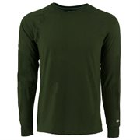 | S680193077906 | 680193077906 | CT9937-DG2XL | Men's T-Shirt | Champion Men's Vapor Cotton L/S T-Shirt Dark Green 2XL | 357 | $24.00 | $12.00 | $8.95
 | S680193077883 | 680193077883 | CT9937-DGL | Men's T-Shirt | Champion Men's Vapor Cotton L/S T-Shirt Dark Green L | 1304 | $24.00 | $12.00 | $8.95
 | S680193077876 | 680193077876 | CT9937-DGM | Men's T-Shirt | Champion Men's Vapor Cotton L/S T-Shirt Dark Green M | 347 | $24.00 | $12.00 | $8.95
 | S680193077869 | 680193077869 | CT9937-DGS | Men's T-Shirt | Champion Men's Vapor Cotton L/S T-Shirt Dark Green S | 597 | $24.00 | $12.00 | $8.95
 | S680193077890 | 680193077890 | CT9937-DGXL | Men's T-Shirt | Champion Men's Vapor Cotton L/S T-Shirt Dark Green XL | 185 | $24.00 | $12.00 | $8.95
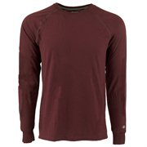 | S680193077852 | 680193077852 | CT9937-Mar2XL | Men's T-Shirt | Champion Men's Vapor Cotton L/S T-Shirt Maroon 2XL | 435 | $24.00 | $12.00 | $8.95
 | S680193077838 | 680193077838 | CT9937-MarL | Men's T-Shirt | Champion Men's Vapor Cotton L/S T-Shirt Maroon L | 714 | $24.00 | $12.00 | $8.95
 | S680193077821 | 680193077821 | CT9937-MarM | Men's T-Shirt | Champion Men's Vapor Cotton L/S T-Shirt Maroon M | 512 | $24.00 | $12.00 | $8.95
 | S680193077814 | 680193077814 | CT9937-MarS | Men's T-Shirt | Champion Men's Vapor Cotton L/S T-Shirt Maroon S | 660 | $24.00 | $12.00 | $8.95
 | S680193077845 | 680193077845 | CT9937-MarXL | Men's T-Shirt | Champion Men's Vapor Cotton L/S T-Shirt Maroon XL | 397 | $24.00 | $12.00 | $8.95

 |  |  |  |  |  | 11031

